Wedge Cylinder Calc
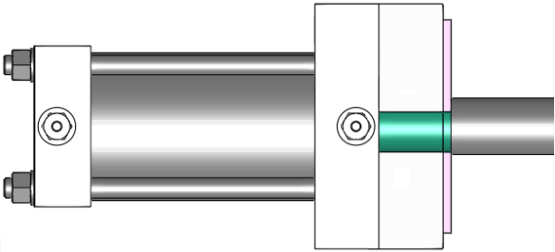
90°
(∠1)
90°
(∠1)
(∠2)
Perpendicular Wedge Cylinder Calculator |  |  |  |  |  |  | Non-Perpendicular Wedge Cylinder Calculator

 | Inputs |  |  |  |  |  |  | Inputs

 | Injection Pressure |  | Area |  | Wedge Angle (∠1) |  |  | Injection Pressure |  | Area |  | Wedge Angle (∠1) |  | Driver Angle (∠2)
 | 5000 | PSI | 0.5 | in2 | 90 | DEG |  | 5000 | PSI | 0.5 | in2 | 90 | DEG | 0 | DEG
 |  |  |  |  |  |  |  |  |  |  |  |  |  | 1
 | Ouputs |  |  |  |  |  |  | Ouputs

 | Molding Force |  | Cylinder Force |  | Min. Cyl Bore Ø |  |  | Molding Force |  | Cylinder Force |  | Min. Cyl Bore Ø
 | 2500 | lbs | 2500 | lbs | 1.5 | in |  | 2500 | lbs | 2500 | lbs | 1.5 | in

 |  |  | 1.5707963268 |  |  |  |  |  |  | 1.5707963268
 |  |  | 1 |  |  |  |  |  |  | 0
 |  |  | 1.6666666667 |  |  |  |  |  |  | 1
 |  |  | 1.4567312408 |  |  |  |  |  |  | 1
 |  |  | 2.2882280822 |  |  |  |  |  |  | 2500
 |  |  |  |  |  |  |  |  |  | 2500
 |  |  |  |  |  |  |  |  |  | 1.6666666667
 |  |  |  |  |  |  |  |  |  | 1.4567312408
 |  |  |  |  |  |  |  |  |  | 2.2882280822

